Foglio1
 |  | 39 | 40 | 41 | 42 | 43 | 44 | 45 | 46 | TOT | RETAIL
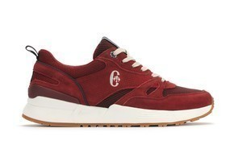 | CF01M6070504 | 4 | 8 | 12 | 12 | 8 | 4 |  |  | 48 | 65.00 €
 | CF11M4070501 |  | 12 | 24 | 30 | 30 | 18 | 12 |  | 126 | 55.00 €
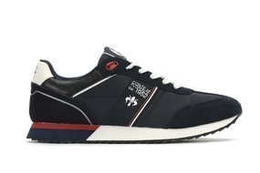 | CF11M4070502 | 3 | 22 | 39 | 40 | 34 | 53 | 15 |  | 206 | 55.00 €
 | CF11M4070503 | 4 | 16 | 24 | 29 | 26 | 17 | 8 |  | 124 | 55.00 €
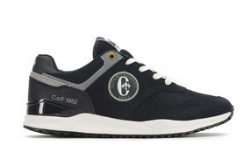 | CF11M5071203 | 3 | 15 | 25 | 34 | 31 | 18 | 9 | 3 | 138 | 60.00 €
 | CF11M5071204 |  | 4 | 8 | 12 | 12 | 8 | 4 |  | 48 | 60.00 €
 | CF11M9070501 | 4 | 12 | 20 | 24 | 20 | 12 | 4 |  | 96 | 60.00 €
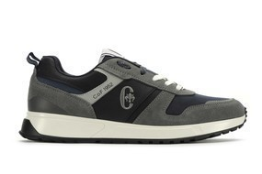 | CF11M9070502 | 5 | 15 | 25 | 30 | 25 | 15 | 5 |  | 120 | 60.00 €
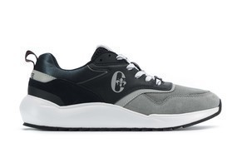 | CF11M6274502 | 2 | 12 | 24 | 29 | 29 | 17 | 12 |  | 125 | 70.00 €
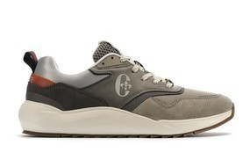 | CF11M6274503 | 6 | 23 | 35 | 46 | 40 | 23 | 11 | 5 | 189 | 70.00 €
 | CF11M8272501 |  | 1 | 1 | 2 | 2 | 1 | 1 | 1 | 9 | 60.00 €
 | CF11M8570601 |  | 7 | 14 | 21 | 21 | 14 | 7 |  | 84 | 60.00 €
 |  | 35 | 36 | 37 | 38 | 39 | 40 | 41 | 42 | TOT
 | CF01W4072501 | 3 | 6 | 6 | 6 | 3 | 3 |  |  | 27 | 60.00 €
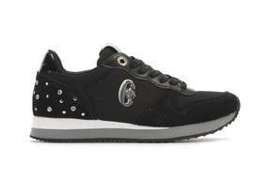 | CF01W4072502 | 6 | 12 | 12 | 12 | 6 | 6 |  |  | 54 | 60.00 €
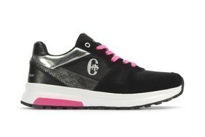 | CF01W6072003 | 4 | 8 | 8 | 8 | 4 | 4 |  |  | 36 | 60.00 €
 | CF01W6073001 | 6 | 12 | 12 | 12 | 6 | 6 |  |  | 54 | 60.00 €
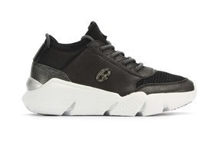 | CF01W6073201 | 5 | 10 | 15 | 15 | 10 | 5 |  |  | 60 | 60.00 €
 | CF01W6073202 | 2 | 4 | 6 | 6 | 4 | 2 |  |  | 24 | 60.00 €
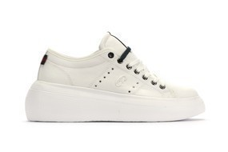 | CF01W6073901 | 8 | 16 | 17 | 17 | 9 | 8 |  |  | 75 | 60.00 €
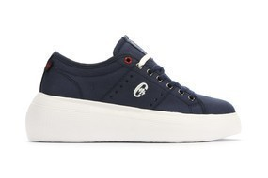 | CF01W6073905 | 7 | 14 | 14 | 14 | 7 | 7 |  |  | 63 | 60.00 €
 | CF01W8072802 | 5 | 15 | 20 | 20 | 15 | 10 | 5 |  | 90 | 50.00 €
 | CF01W8073501 |  | 4 | 8 | 12 | 12 | 8 | 4 |  | 48 | 50.00 €
 | CF11W4075001 |  | 3 | 6 | 9 | 9 | 3 | 3 | 3 | 36 | 55.00 €
 | CF11W6075901 | 5 | 10 | 14 | 15 | 10 | 5 |  |  | 59 | 50.00 €
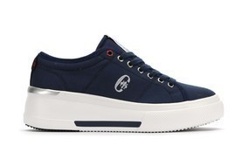 | CF11W6075902 |  | 7 | 14 | 17 | 17 | 7 | 7 | 3 | 72 | 50.00 €
 | CF11W6076402 |  | 4 | 8 | 8 | 8 | 4 | 4 |  | 36 | 55.00 €
 | CF11W6076502 | 10 | 20 | 20 | 20 | 12 | 10 |  |  | 92 | 55.00 €
 | CF11W8375001 | 4 | 12 | 16 | 16 | 12 | 8 | 4 |  | 72 | 50.00 €
 | CF01W6074001 |  | 5 | 10 | 15 | 15 | 10 | 5 |  | 60 | 50.00 €
 | CF01W6074002 |  |  | 4 | 8 | 12 | 12 | 8 | 4 | 48 | 50.00 €
 | CF01W8073501 |  |  | 1 | 2 | 1 | 3 | 2 | 1 | 10 | 50.00 €
 | CF01W8073503 |  |  | 5 | 10 | 15 | 15 | 10 | 1 | 56 | 50.00 €
 |  |  |  |  |  |  |  |  |  | 2385

